REPORT
REPORT AUTOMATION

NO | SCENARIO | STATUS | DESCRIPTION | DURATION | SUMMARY'S STATUS | SUMMARY'S PROGRESS(%) | TOTAL SCRIPT | TOTAL DURATION
1 | Login Failed | PASSED |  | 00:00:22.507 | PASSED | 100% | 3 | 00:01:15.386
2 | Login Success | PASSED |  | 00:00:20.663 | FAILED | 0% | 0
3 | Make Appointment | PASSED |  | 00:00:32.216

SUMMARY'S PROGRESS CHART (%)
PASSED | 100
FAILED | 0
SUMMARY'S PROGRESS CHART (%)
PASSED | 100
FAILED | 0
SUMMARY'S PROGRESS CHART (%)
PASSED | 100
FAILED | 0

1-Login Failed
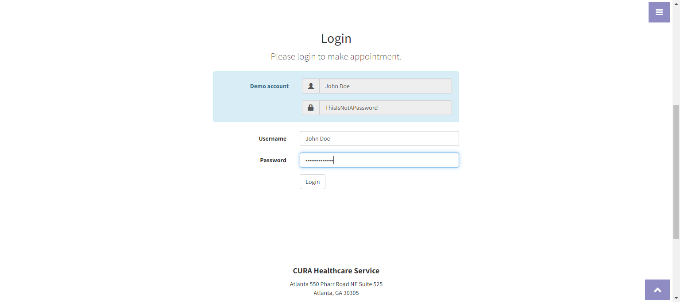
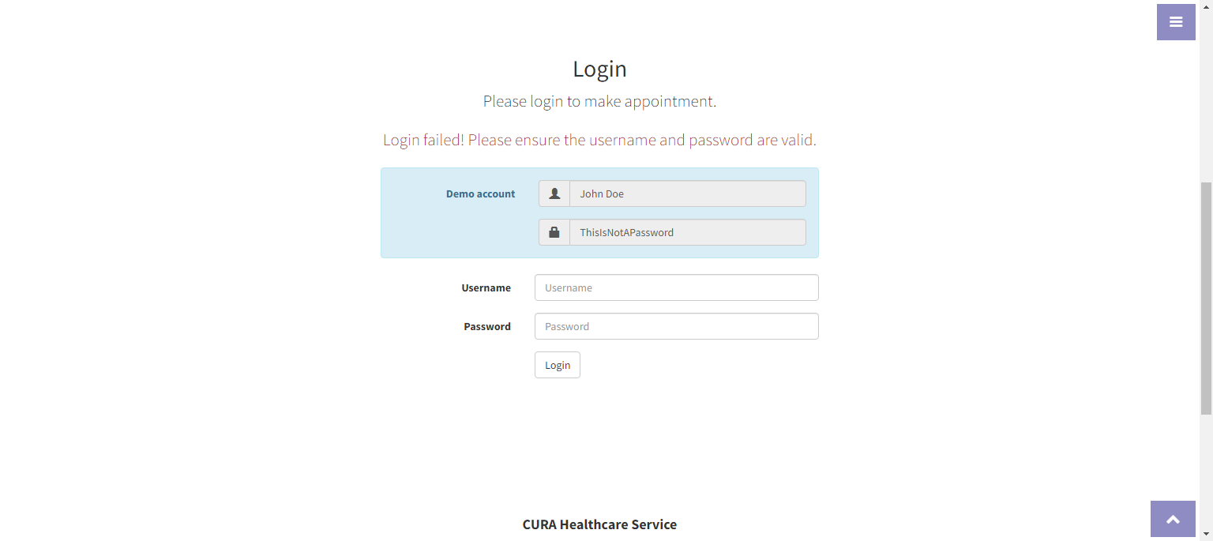
1-Login Failed

Login Failed

2-Login Success

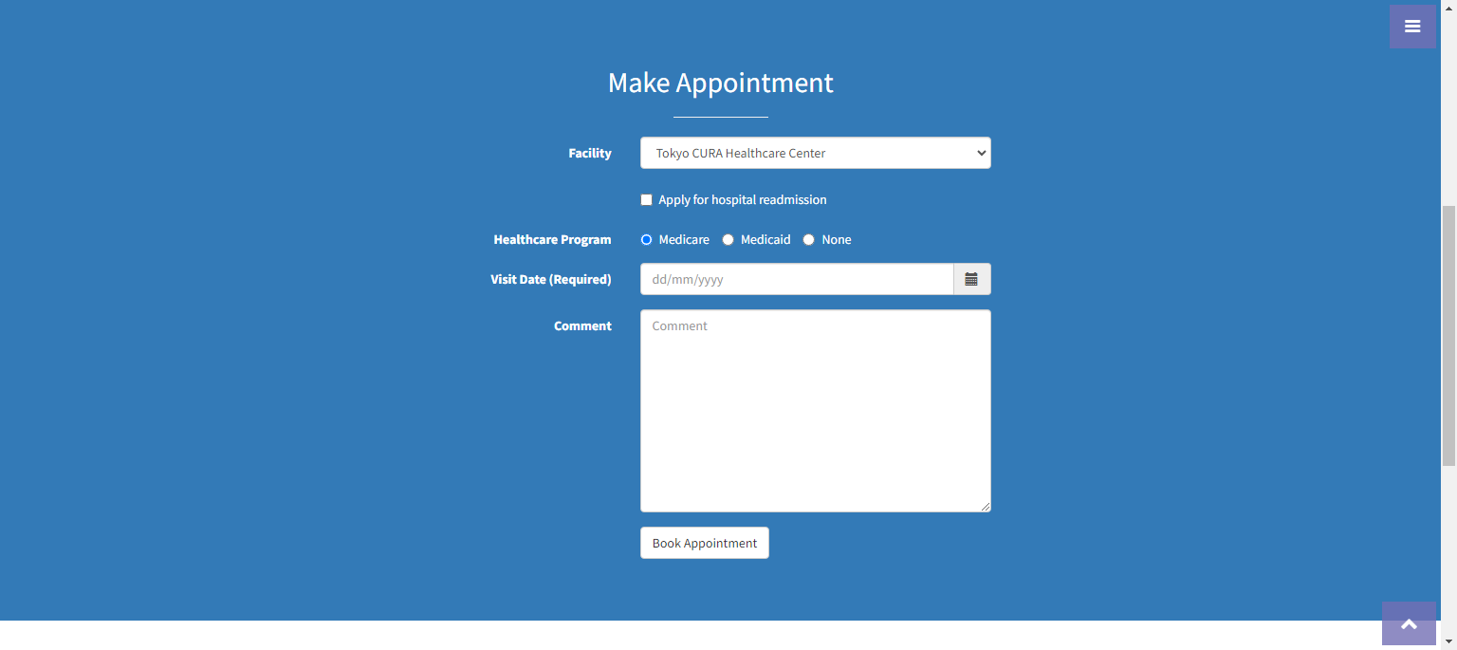
2-Login Success

Login Success

3-Make Appointment
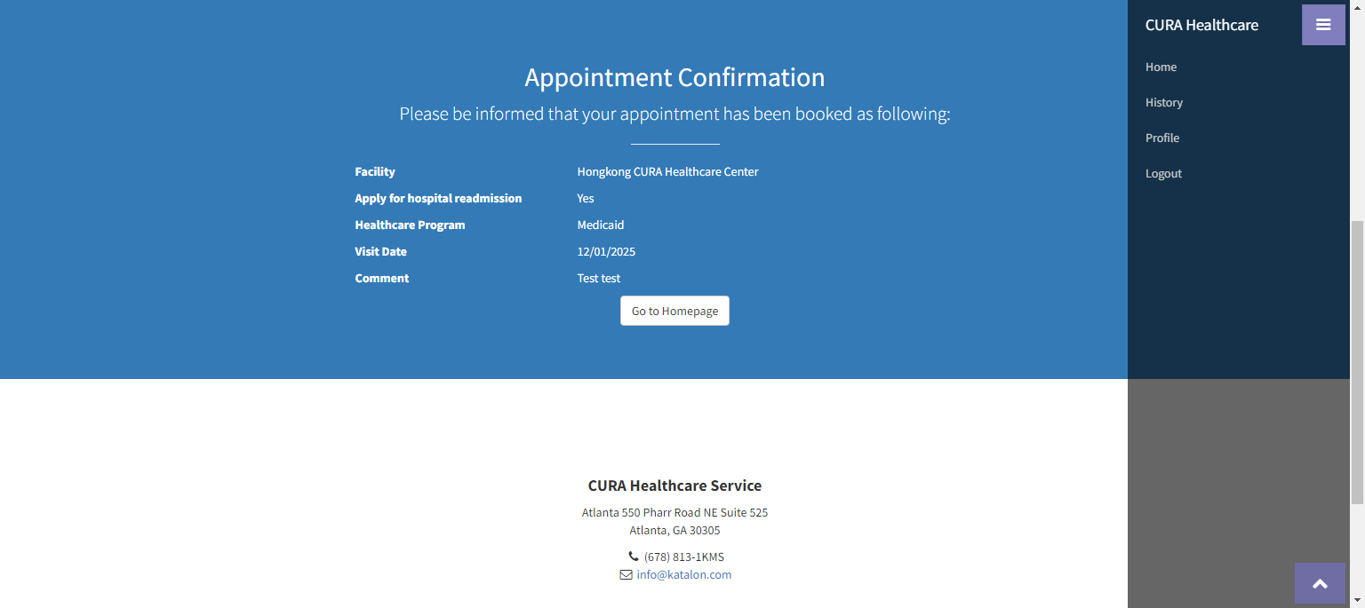

3-Make Appointment

Login Success

Make Appointment


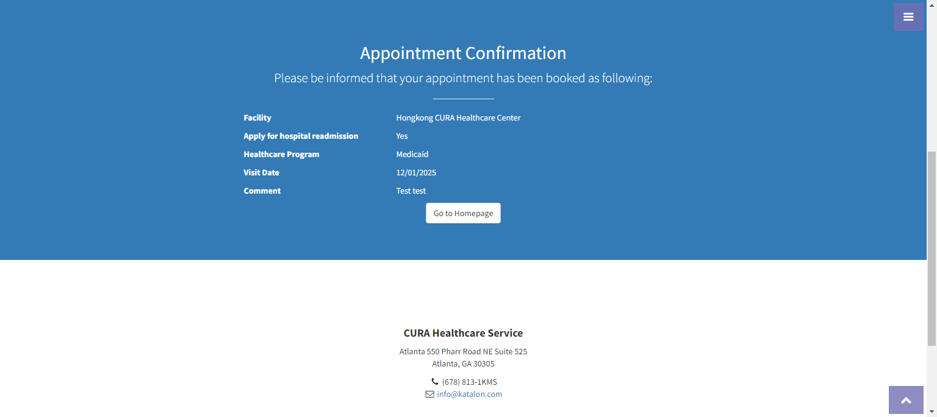

Logout

